Dashboard
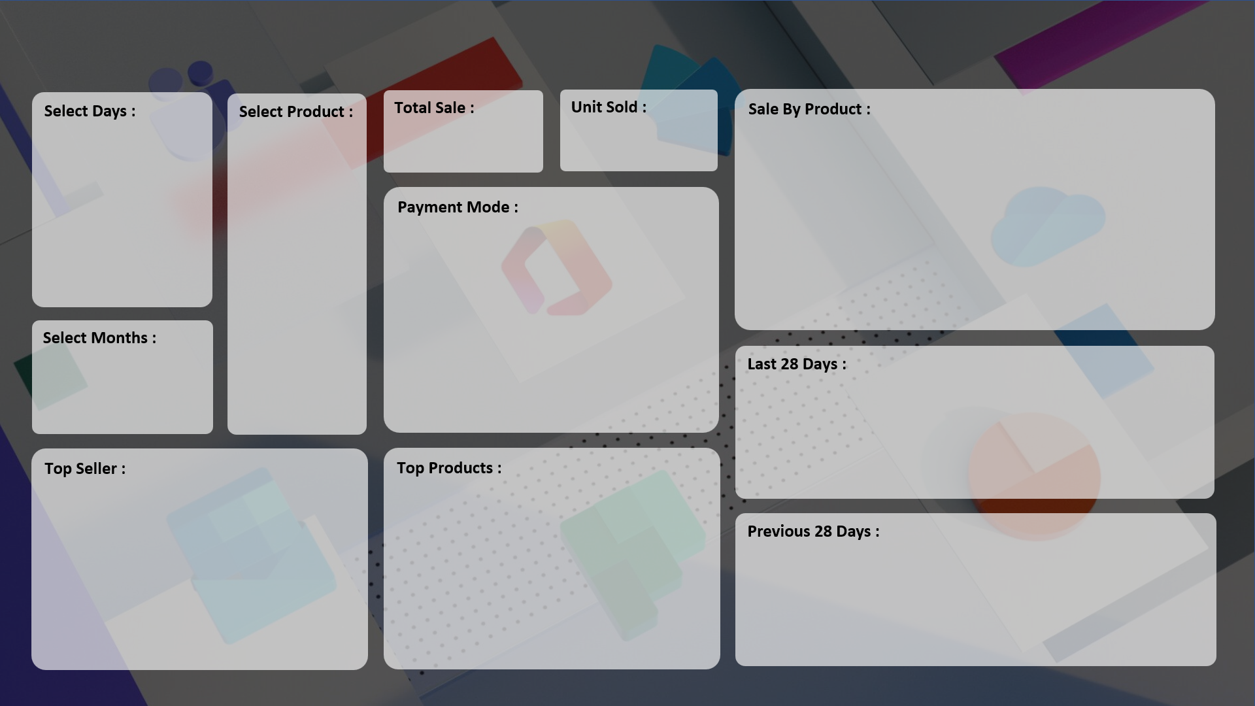
Commercial Sales Performance & Revenue Analytics Dashboard

Revenue :
Units Sold :

₹ 10,01,520
446
 | Total
Printer | 446

 | Total
Cash | 183
Online | 263

 | Total
15-Aug | 6
18-Aug | 9
19-Aug | 12
22-Aug | 12
24-Aug | 17
27-Aug | 25
28-Aug | 26
10-Sep | 65
11-Sep | 34

 | Total
ABC Traders | 60
RG Store | 175
CCC Mart | 201
 | Total
HDD 256 GB | 559
Keyboard | 599
SSD 256 GB | 699

 | Total
18-Jul | 5
21-Jul | 6
23-Jul | 5
26-Jul | 6
27-Jul | 5
10-Aug | 5
13-Aug | 6

